1. Title Page
[Grocery Basket Analysis]

Project Name: Targeted Marketing Strategy
Date: January 18, 2021
Analyst Name: Courtney Coughlan

Contents:
Population Flow
Consistency checks
Wrangling steps
Column derivations
Visualizations
Recommendations

Citation: “The Instacart Online Grocery Shopping Dataset 2017”, Accessed from https://www.instacart.com/datasets/grocery-shopping-2017 on <12/07/2020>.

2. Population Flow
 | Title page

Population flow

Exclusion flag
Condition: max_order < 5
Obervations to be removed: 1440295
Final total count of order_products_all: 30964564

Orders_products_combined
Orders_products_merged
Orders_products_all

Total: 32404859
Total: 32434489
Total: 32404859

* Disclaimer: The 'customer' data set and the 'prices' column in the 'products' data set were fabricated for the purpose of this assignment*

3. Consistency checks
 |  |  |  | Title page
Consistency checks

Dataset | Missing values | Missing values treatment | Duplicates
orders | 206,209 in days_since_prior_order column | Missing values left alone as they likely represent new customers | None found
products | 16 in product_name column | New dataframe created that filtered out missing values and saved under products_checked data set | 5 duplicates found - new dataframe created with duplicates removed and saved under products_checked data set
orders_products_prior | None found | N/A | None found
customers | 11259 in first_name column | Missing values left alone as this column would be removed to protect customer privacy in the wrangling step | None found

4. Wrangling steps
 |  |  |  | Title page
Wrangling steps

Columns dropped | Columns renamed | Columns' type changed | Comment/Reason
first_name, last_name, age, state, income, number_of_dependants columns removed from orders_products_all data set |  |  | Columns removed for security reasons to protect PPI data of customers. Of note, these columns were used to make groupings and derivations before being dropped.
 | orders_dow renamed to orders_day_of_week in orders data set |  | Name changed to make column more readable and understandable
 |  | order_id column changed from number to string in orders data set | order_id doesn't represent real numeric value and is instead a key related to specific orders and users
 | in the customer data set: First Name to first_name, Surnam to last_name, Gender to gender, STATE to state, Age to age, n_dependants to number_of_dependants, fam_status to family_status |  | Columns renamed in order to look more uniform and clean as well as more understandable
 |  | order_id column changed from number to string in customers data set | order_id doesn't represent real numeric value and is instead a key related to specific orders and users

5. Column derivations
 |  |  |  | Title page

Column derivations and aggregations

Frequencies of flag variables
Dataset | New column | Column/s it was derived from | Conditions
orders_products_merged | price_range_loc | prices | based on product's price, item would be categorized into one of the following categories: low-range, mid-range, or high-range product
orders_products_merged | busiest_day_loc | orders_day_of_week | based on the day customer ordered and typical amount of orders received on that day, day of week would be categorized into one of the following categories: busiest days or slowest days
orders_products_merged | busiest_period_of_day | order_hour_of_day | based on the hour of the day a customer ordered and how many orders received during that hour, hour of the day would be categorized into one of the following categories: fewest orders, most orders, or average orders
orders_products_merged | loyalty_flag | grouping user_id and order_number to create max_orders | based on maximum number of customers has, they are flagged as either: regular customer, loyal customer, or new customer
orders_products_merged | spending_flag | grouping of user_id and and price to create mean_price | based on the mean price of products customer buys, they are flagged as either: low or high spender
orders_products_merged | frequency_flag | grouping of user_id and and days_since_prior_order to create median_days | based on median number of days a customer uses Instacart, they are flagged as either: frequent, regular, or non-frequent customer
orders_products_all | region | state | based on the state a customer lives in, they would be categorized into of the following categories: Northeast, South, Midwest, or West
orders_products_all | age_group | age | based on the age of a customer, they would be categorized into of the following categories: Younger adult, Middle age, or Older adult
orders_products_all | unique_customers | number_of_dependants, family_status, age | based on the number_of_dependants, age, and family status of a customer, they would be categorized into of the following categories: older parents, single adult, younger parents, couple with no kids, other single adult, or other
orders_products_all | income_level | income | based on the income of a customer, they would be categorized into of the following categories: high, middle, or low income

6. Visualizations
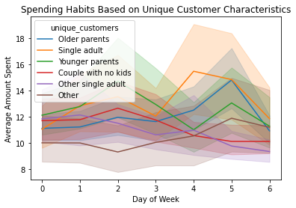
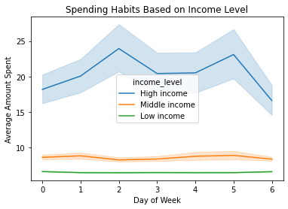
 | Title page

Visualisations

1. What are the busiest days of the week and busiest hours of the day for orders?
Saturday and Sunday are the busiest days. 10:00 in the morning through 3:00 in the afternoon are the busiest hours of the day.

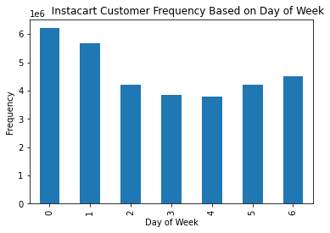


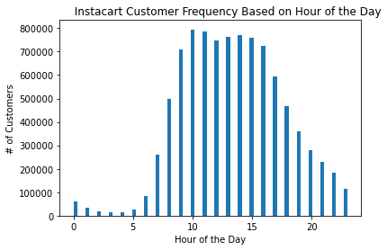

2. Are there particular times of the day when people spend the most money?
No. There appear to be fluctuations throughout the day when customers spend higher amounts, however no consistency.

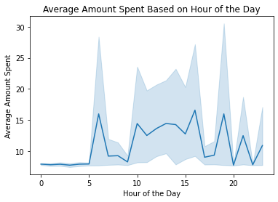

3. Are there simpler price range groupings to differentiate products based on their cost?
Products were grouped into three categories based on price: low, mid, and high-range prodcuts. Low-range products appear to be the most popular which are $5 or less while mid-range products (between $6 and $15) and high-range products (over $15) sell much less frequently.
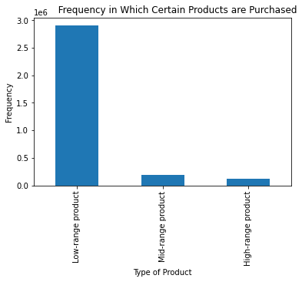

4. Are there certain types of products that are more popular than others?
Produce is the department with the highest frequency of orders followed by dairy/eggs.

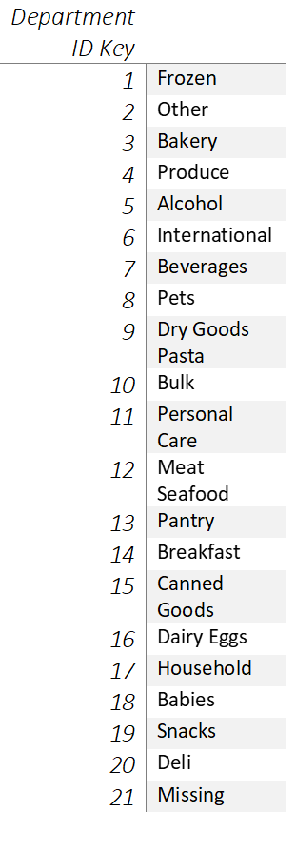
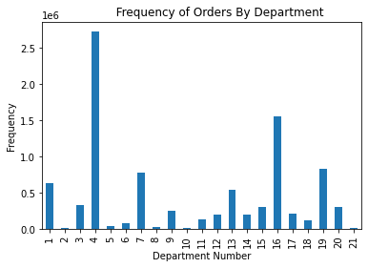

5. What's the distribution among users in regards to their brand loyalty?
Loyal customers (those with highest numbers of orders) return more frequently compared to other types of customers - about every 6 days on average
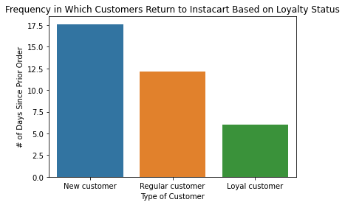

6. Are there differences in ordering habits based on a customer's loyalty status?
Both new and regular customers tend to spend more on the average product compared to loyal customers. However, there is not much difference between the groups in which days they spend more, what time of the day they order, most popular department, and most popular product ordered.

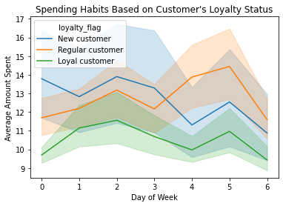
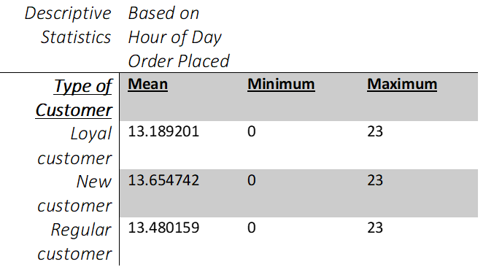

7. Are there differences in ordering habits based on a customer's region?
There does not appear much difference in frequency based on region with customers returning to Instacart every 10 days. Order hour of the day, most popular department, and most ordered product are also similar across the country. However, the Midwest appears to spend the most. People in the South and West tend to order more in the middle of the week while the Northeast and the Midwest order at the beginning or the end of the week.

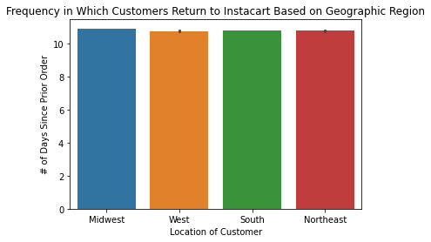
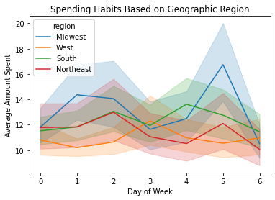

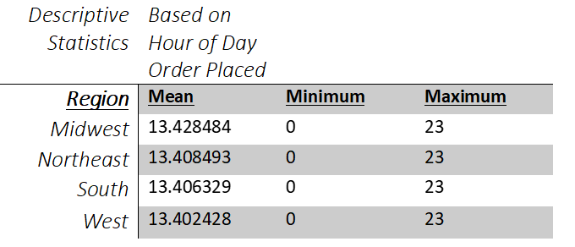
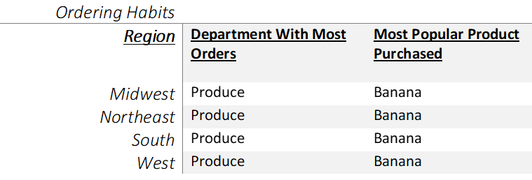

8. Is there a connection between age and family status in terms of ordering habits?
No. There appears to be similar ordering habits across all age groups and different family status groups regarding times, days, most popular department, most ordered product, and frequencies for ordering. Younger adults tend to spend less at the end of the week. Those living with family spend the least amount while single adults spend the most, particularly at the end of the week.

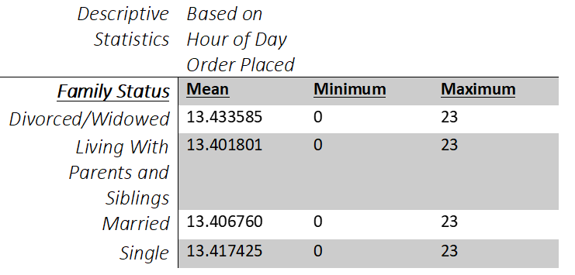
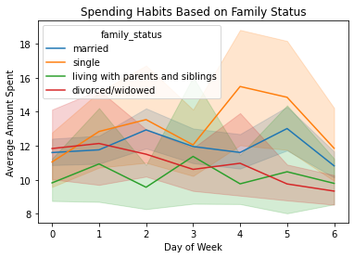

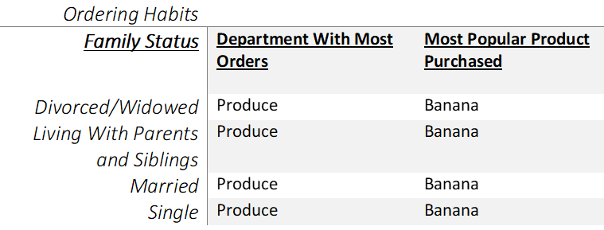

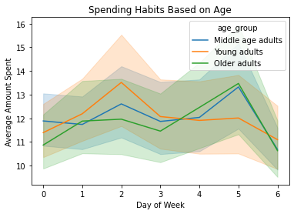

9. What different classifications does the demographic information suggest? (i.e., age, income, certain types of goods, family status)
Income increases significantly from age 40 and older amongst all family status groups. However, each demographic group orders the most from produce with the most popular item purchased being a banana.

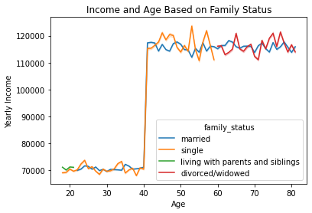
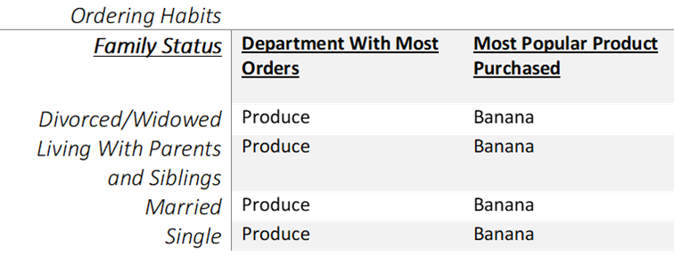

10. What differences can you find in ordering of different customer profiles?
Higher income customers spend more while lower income customers order less frequently than the other income groups. However, there is not much difference in most popular department, time of orders, or top items purchased based on age or family status in unique customer groups.

7. Recommendations
 |  | Title page

Recommendations

The Instacart sales and marketing teams would benefit from scheduling advertisements during specific days and time slots in order to improve revenue in low-performing departments, for specific products, and in general company-wide for current customers and for possibly new customers. These scheduled time slots should vary based on the region in the country in order to maximize top viewership. An incentive program consisting of rewards and/or coupons could help target certain demographics that spend less such as low and middle income customers and customers new to Instacart as well as increasing frequency of regular and loyal customers. More detailed recommendations and findings are found below.

Question | Answer
Key Question 1: What are the busiest days of the week and busiest hours of the day for ordering? | Saturday and Sunday are the busiest days. 10:00 in the morning through 3:00 in the afternoon are the busiest hours of the day. The sales team may want to schedule ads in the middle of the week (Tuesday - Thursday) in the mornings (between 6:00 - 9:00) and in the evenings (between (5:00 - 8:00) to catch current customers and possible new customers in the time slots before and after work.

Key Question 2: Are there particular times of the day when people spend the most money? | There are fluctuations throughout the day when customers spend the most money, however not much consistency. The sales team may want to focus on the times of the day when most people are using Instacart to advertise certain products instead of focusing on a time frame when higher amounts are spent.

Key Question 3: Are there simpler price range groupings to differentiate products based on their cost? | Products were placed into three different categories based on their pricing: low- range, middle-range, and high-range products. Low-range products appear to be the most popular which are $5 or less while mid-range products (between $6 and $15) and high-range products (over $15) sell much less frequently. The marketing and sales team can use these price range groupings to further assist in their marketing strategies in the future.

Key Question 4: Are there certain types of products that are more popular than others? | Produce is the department with the highest frequency of orders followed by dairy/eggs. Many of the other departments have much lower order frequencies including: alcohol, pets, and bulk. The marketing and sales team may consider targeted ad strategies to increase revenue in lower performing departments.

Key Question 5: What's the distribution among users in regards to their brand loyalty? | Loyal customers (those with highest numbers of orders) return more frequently compared to other types of customers - about every 6 days on average. Incentive programs such as rewards or coupons may assist in bolstering new and regular customers to return more frequently to Instacart.

Key Question 6: Are there differences in ordering habits based on a customer's loyalty status? | Both new and regular customers tend to spend more on the average product compared to loyal customers. However, there is not much of a difference based on which days they spend more, what times they order, most popular department, and product most ordered. As loyal customers shop more frequently, therefore spending more money, it may be important to focus on incentivizing new and regular customers with a rewards program to return to Instacart more therefore increasing revenue.

Key Question 7: Are there differences in ordering habits based on a customer's region? | There does not appear much difference in frequency based on region with customers returning to Instacart every 10 days. Most popular department, most ordered item, and time of day for ordering also have similar results across the country. However, the Midwest appears to spend the most. People in the South and West tend to order more in the middle of the week while the Northeast and the Midwest order at the beginning or the end of the week. Scheduled ads may need to differ to certain days of the week based on region. A rewards program may incentivize customers in certain targeted regions to spend more.

Key Question 8: Is there a connection between age and family status in terms of ordering habits? | No. There appears to be similar ordering habits across all age groups and different family status groups regarding times, days, most popular department, most ordered product, and frequencies for ordering. Younger adults tend to spend less at the end of the week while singles spend more during this time frame. As there aren't vast differences between age and family status, marketing strategies may best be focused on other demographic characteristics.

Key Question 9: What different classifications does the demographic information suggest? (i.e., age, income, certain types of goods, family status) | Income increases significantly from age 40 and older amongst all family status groups. However, each demographic group has similar ordering habits. For example, the produce department is the most popular across the board with the most popular item purchased being bananas. It can be assumed that middle aged and older adults will likely spend more due to higher incomes. However, demographic characteristics will likely not impact what departments and types of items customers are purchasing.

Key Question 10: What differences can you find in ordering of different customer profiles? | Higher income customers spend more and lower income customers shop less frequently. However, there is not much difference in most popular department, time of order, items purchased, or frequency of return to Instacart based on age or family status in unique customer groups. Therefore, it may be beneficial to use a rewards program and/or increased sales and coupons to attract middle and low income customers to increase revenue.

